US13 Sprint 4
 | Test Scenarios for SimpCity
 | Test Cases Creation |  |  | System Testing (TDA) |  |  | User Acceptance Testing |  | Team
 | User Stories: | US13 - As a user, I would like to only be able to enter a number of choices so that I do not get confused. |  | Version Control: | V1 |  | Version Control: | V1 | Scrum Master: | Megan Png
 | Created By: | Hui Ying |  | Tester: | Hui Ying |  | User: | Mr Low | Tech Lead: | Claris
 | Status: | Done |  | Status: | Done |  | Status: | Done | QA: | Hui Ying
 | Dated as of: | 30-Jan-22 |  | Test Date: | 14-Feb-22 |  | UAT Date: | 14-Feb-22 | Developer: | Amanda Chan
 | Reviwed By: |  |  | Reviwed By: |  |  | Reviwed By:
 | Tech Lead | Claris |  | Scrum Master | Megan |  | Scrum Master: | Megan
 |  |  |  | Tech Lead | Claris |  | Tech Lead: | Claris
 |  |  |  |  |  |  | QA: | Hui Ying
 |  |  |  |  |  |  | Developer: | Amanda

S/NO | Test Scenario | Test Scenario Description | Test Values | Expected Outcome | Boundary? Equivalence? | Functional? Non-Functional? | Pass/ Fail | Actual Outcome | Test Result (Pass / Fail) | Remarks
1 | The users enters a number that is within the range of "0" to "5" that is within the configuration menu when the message "Your Choice?" is prompted. | 1. The users enters a number that is within the range of "0" to "5" that is within the configuration menu when the message "Your Choice?" is prompted. | Since this users story is only applicable to the confugration menu, it will only be testing the choices in the configuration menu only. Choices in the main menu will not be involved in testing Before: The user is in a game.
 |  |  | "1. The users enters a number that is within the range of ""0"" to ""5"" that is within the configuration menu when the message ""Your Choice?"" is prompted. E.g --> Your Choice? 4" | The program will processed the chosen option as accordance to the functionality of the chosen option. | Boundary | Functional | Pass | 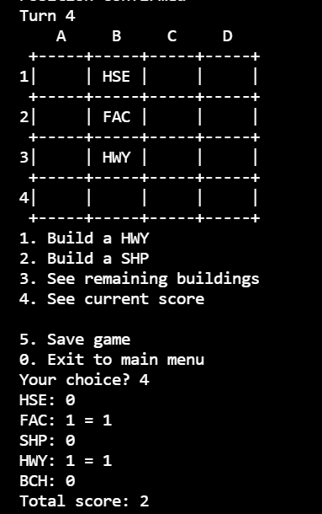 | Pass
2 | The users enters a number that is not within the range of "0" to "5" that is within the configuration menu when the message "Your Choice?" is prompted. | 1. The users enters a number that is not within the range of "0" to "5" that is within the configuration menu when the message "Your Choice?" is prompted. | 1. The users enters a number that is not within the range of "0" to "5" that is within the configuration menu when the message "Your Choice?" is prompted. Eg --> Your Choice? 6 | An error message "Please choose valid options." will be displayed to the users remind them to enter the correct input. The 4x4 game grid aong with the configuration menu will be displayed to the users and the message "Your Choice?" will be prompted to the user |  |  | Fail | 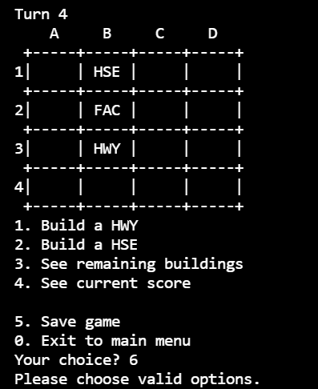 | Pass
3 | The users enters an invalid input that is not a numeric interger when the message "Your Choice?" is prompted. | 1. The users enters an invalid input that is not a numeric interger when the message "Your Choice?" is prompted. | 1. The users enters an invalid input that is not a numeric interger when the message "Your Choice?" is prompted. Eg --> Your Choice? aaa | An error message "Please choose valid options." will be displayed to the users remind them to enter the correct input. The 4x4 game grid aong with the configuration menu will be displayed to the users and the message "Your Choice?" will be prompted to the user |  |  | Fail | 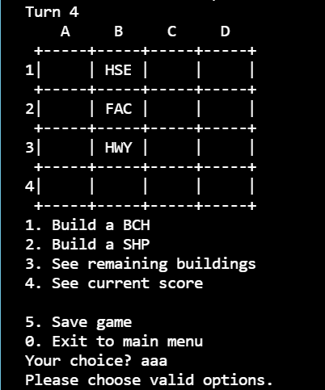 | Pass
4

